Sheet1
Component Name/Connection | Input/Output | Pin Number | OpenPLC Address | Modbus Address
 | Analog In | A0 | %IW100 | 0 | NOTE: Modbus Addressing Needs Verification!
 | Analog In | A1 | %IW101 | 1
 | Analog In | A2 | %IW102 | 2
 | Analog In | A3 | %IW103 | 3
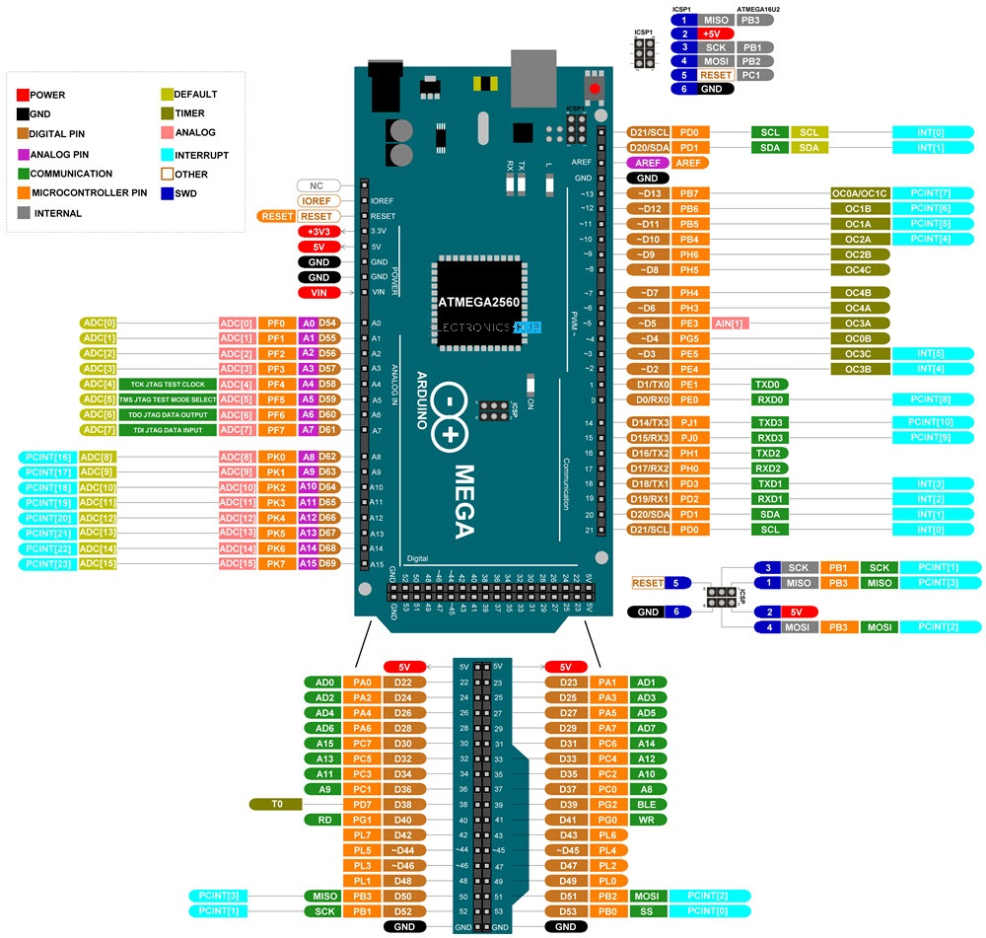
 | Analog In | A4 | %IW104 | 4
 | Analog In | A5 | %IW105 | 5
 | Analog In | A6 | %IW106 | 6
 | Analog In | A7 | %IW107 | 7
 | Digital In | D62 | %IX100.0 | 800
 | Digital In | D63 | %IX100.1 | 801
 | Digital In | D64 | %IX100.2 | 802
 | Digital In | D65 | %IX100.3 | 803
 | Digital In | D66 | %IX100.4 | 804
 | Digital In | D67 | %IX100.5 | 805
 | Digital In | D68 | %IX100.6 | 806
 | Digital In | D69 | %IX100.7 | 807
 | Digital In | D22 | %IX101.0 | 808
 | Digital In | D24 | %IX101.1 | 809
 | Digital In | D26 | %IX101.2 | 810
 | Digital In | D28 | %IX101.3 | 811
 | Digital In | D30 | %IX101.4 | 812
 | Digital In | D32 | %IX101.5 | 813
 | Digital In | D34 | %IX101.6 | 814
 | Digital In | D36 | %IX101.7 | 815
Home_GD_Postion_Switch | Digital In | D38 | %IX102.0 | 816
Home_Mag_Sensor | Digital In | D40 | %IX102.1 | 817
Home_Motion_Sensor | Digital In | D42 | %IX102.2 | 818
Home_IR_Sensor | Digital In | D44 | %IX102.3 | 819
Home_Green_PB_Floor_01 | Digital In | D46 | %IX102.4 | 820
Home_Green_PB_Floor_02 | Digital In | D48 | %IX102.5 | 821
Home_Blue_PB_Floor_03 | Digital In | D50 | %IX102.6 | 822
Home_Red_PB_Floor_03 | Digital In | D52 | %IX102.7 | 823

 | Analog Out (PWM) | D2 | %QW100 | 0
 | Analog Out (PWM) | D3 | %QW101 | 1
 | Analog Out (PWM) | D4 | %QW102 | 2
 | Analog Out (PWM) | D5 | %QW103 | 3
 | Analog Out (PWM) | D6 | %QW104 | 4
 | Analog Out (PWM) | D7 | %QW105 | 5
 | Analog Out (PWM) | D8 | %QW106 | 6
 | Analog Out (PWM) | D9 | %QW107 | 7
 | Analog Out (PWM) | D10 | %QW108 | 8
 | Analog Out (PWM) | D11 | %QW109 | 9
 | Analog Out (PWM) | D12 | %QW110 | 10
 | Analog Out (PWM) | D13 | %QW111 | 11
Home_Green_LED_Floor_01 | Digital Out | D14 | %QX100.0 | 800
Home_Green_LED_Floor_02 | Digital Out | D15 | %QX100.1 | 801
Home_Green_LED_Floor_03 | Digital Out | D16 | %QX100.2 | 802
Home_White_LED_Floor_01 | Digital Out | D17 | %QX100.3 | 803
Home_White_LED_Floor_02 | Digital Out | D18 | %QX100.4 | 804
Home_White_LED_Floor_03 | Digital Out | D19 | %QX100.5 | 805
Home_White_LED_Floor_Backside | Digital Out | D20 | %QX100.6 | 806
Home_GD_Motor_UP | Digital Out | D21 | %QX100.7 | 807
Home_GD_Motor_DOWN | Digital Out | D23 | %QX101.0 | 808
Home_FD_DeadBolt | Digital Out | D25 | %QX101.1 | 809
Home_PB_LED_FL_01 | Digital Out | D27 | %QX101.2 | 810
Home_PB_LED_FL_02 | Digital Out | D29 | %QX101.3 | 811
Home_PB_LED_FL_03 | Digital Out | D31 | %QX101.4 | 812
 | Digital Out | D33 | %QX101.5 | 813
 | Digital Out | D35 | %QX101.6 | 814
 | Digital Out | D37 | %QX101.7 | 815
 | Digital Out | D39 | %QX102.0 | 816
 | Digital Out | D41 | %QX102.1 | 817
 | Digital Out | D43 | %QX102.2 | 818
 | Digital Out | D45 | %QX102.3 | 819
 | Digital Out | D47 | %QX102.4 | 820
 | Digital Out | D49 | %QX102.5 | 821
 | Digital Out | D51 | %QX102.6 | 822
 | Digital Out | D53 | %QX102.7 | 823

